sheet-1
Product ID | Design ID | Cost Item category | Cost Item | Description | Item Type | Quantity | Quantity UOM | HS Code | Duty% | Price without GST | Base Total(W/o GST Factor) | Base Total(With GST) | GST | Input Cost(on Base cost w/o GST factor) | Currency | Fabric Type | Fabric Finish | Fabric Construction & Content W/ Percentage | Knit Gauge | Cuttable Width | Source | Costing Scenario | Action
GETKRTSCUT5008B - olive |  | Fabric | Main Fabric | 20sX20s/62X42 | F | 1.60 | mtr |  |  | 77.00 | 123.20 | 129.36 | 5% | 6.16 | INR | woven | regular | 100% cotton |  | 52" | VENDOR |  | C
length wise cutting |  | Fabric | Trim Fabric1 | fabric for emb for V neck & slvs patti | F | 0.085 | mtr |  |  | 77.00 | 6.55 | 6.87 | 5% | 0.33 | INR | woven | regular | 100% cotton |  | 52" | VENDOR |  | C
with 1 pocket |  | Fabric | Fabric |  |  | 0.00 | mtr |  |  | 0.00 | 0.00 | 0.00 | 5% | 0.00 | INR | woven | regular |  |  |  |  |  | C
L - 44" |  | Fabric | Fabric |  |  |  |  |  |  |  | 0.00 | 0.00 | 5% | 0.00 | INR
BO - 49" |  | Fabric | Fabric |  |  |  |  |  |  |  | 0.00 | 0.00 | 5% | 0.00 | INR
UNITED TEXTILE MILL PVT LTD |  | Fabric |  |  |  |  |  |  |  |  | 0.00 | 0.00 |  | 0.00 | INR
VENDOR CODE - RR10337044 |  | Sewing trims | Sewing Thread |  | Cost | 1.00 |  |  |  | 3.00 | 3.00 | 3.36 | 12% | 0.36 | INR |  |  |  |  |  |  |  | C
 |  | Sewing trims | Fusing |  | Cost | 0.00 |  |  |  |  | 0.00 | 0.00 | 12% | 0.00 | INR |  |  |  |  |  |  |  | C
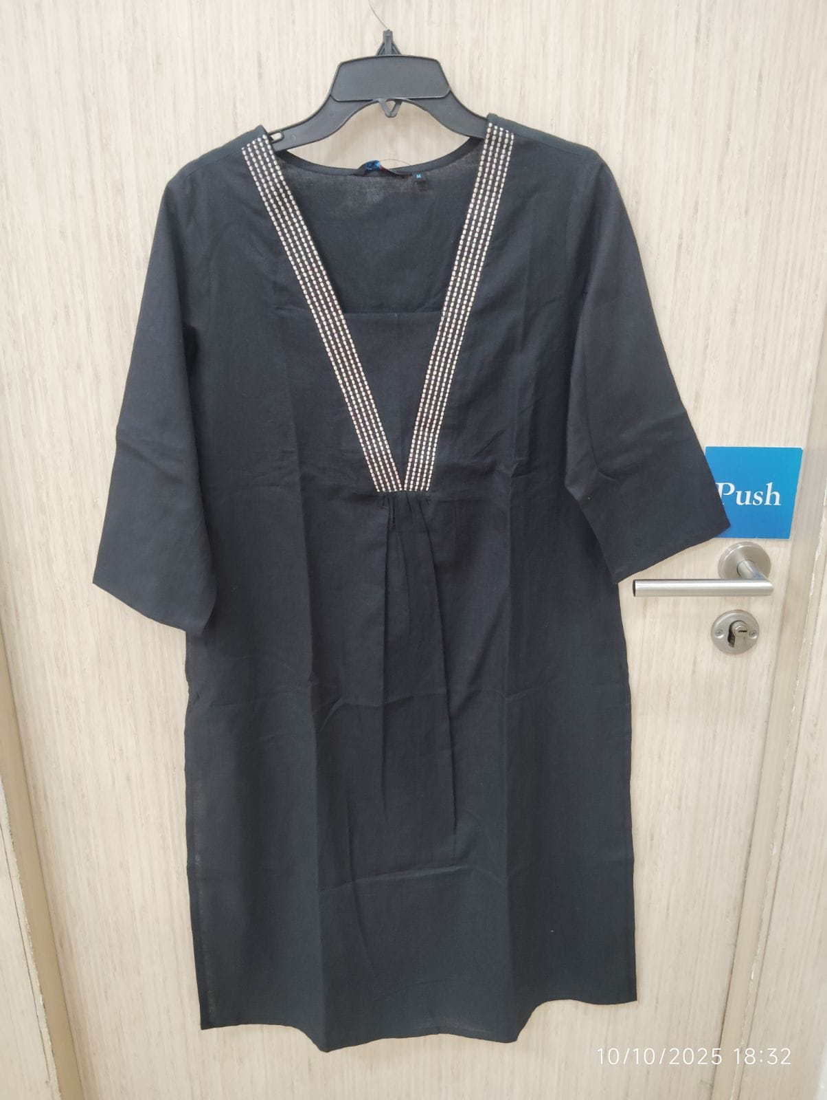
 |  | Sewing trims | Button |  |  |  |  |  |  |  | 0.00 | 0.00 | 12% | 0.00 | INR
 |  | Sewing trims | Tassle |  |  |  |  |  |  |  | 0.00 | 0.00 | 12% | 0.00 | INR
 |  | Sewing trims | Dori |  |  |  |  |  |  |  | 0.00 | 0.00 | 12% | 0.00 | INR
 |  | Sewing trims | beeds |  |  |  |  |  |  |  | 0.00 | 0.00 | 12% | 0.00 | INR
 |  | Sewing trims | lace |  |  | 0.00 | mtr |  |  | 0.00 | 0.00 | 0.00 |  | 0.00 | INR
 |  | Sewing trims |  |  |  | 0.00 | mtr |  |  | 0.00 | 0.00 | 0.00 |  | 0.00 | INR
 |  | Label & Tags | Main Label |  | L | 1.00 | Piece |  |  | 1.00 | 1.00 | 1.12 | 12% | 0.12 | INR |  |  |  |  |  |  |  | C
 |  | Label & Tags | Size Label |  | L | 1.00 | Piece |  |  | 0.00 | 0.00 | 0.00 | 12% | 0.00 | INR |  |  |  |  |  |  |  | C
 |  | Label & Tags | LOOP LBL |  | L | 1.00 | Piece |  |  | 0.30 | 0.30 | 0.34 | 12% | 0.04 | INR |  |  |  |  |  |  |  | C
 |  | Label & Tags | Wase Care |  | L | 1.00 | Piece |  |  | 0.60 | 0.60 | 0.67 | 12% | 0.07 | INR |  |  |  |  |  |  |  | C
 |  | Label & Tags | BARCODE TAG | WITH BAR CODE | Cost | 1.00 | Piece |  |  | 1.95 | 1.95 | 2.30 | 18% | 0.35 | INR |  |  |  |  |  |  |  | C
 |  | Label & Tags | Barcode Sticker |  | Cost | 1.00 | Piece |  |  | 0.00 | 0.00 | 0.00 | 12% | 0.00 | INR |  |  |  |  |  |  |  | C
 |  | Label & Tags | Barcode |  | Cost |  | Piece |  |  |  | 0.00 | 0.00 |  | 0.00 | INR |  |  |  |  |  |  |  | C
 |  | Label & Tags | SLV TAG |  | Cost | 1.00 | Piece |  |  | 0.00 | 0.00 | 0.00 |  | 0.00 | INR |  |  |  |  |  |  |  | C
 |  | Label & Tags | Transparent Tag |  |  |  | Piece |  |  |  | 0.00 | 0.00 |  | 0.00 | INR
 |  | Label & Tags |  |  |  |  |  |  |  |  | 0.00 | 0.00 |  | 0.00 | INR
 |  | Packing Trims | Carton |  | T | 1.00 | Piece |  |  | 1.50 | 1.50 | 1.68 | 12% | 0.18 | INR |  |  |  |  |  |  |  | C
 |  | Packing Trims | Polybag |  | Cost | 1.00 |  |  |  | 2.40 | 2.40 | 2.69 | 12% | 0.29 | INR |  |  |  |  |  |  |  | C
 |  | Packing Trims | Master Polybag |  | T | 1.00 | Piece |  |  | 1.35 | 1.35 | 1.51 | 12% | 0.16 | INR |  |  |  |  |  |  |  | C
 |  | Packing Trims | Size Sticker |  |  | 1.00 |  |  |  | 0.80 | 0.80 | 0.90 | 12% | 0.10 | INR
 |  | Packing Trims | Strapping + Wrapping+Tissue |  |  | 1.00 |  |  |  | 0.84 | 0.84 | 0.94 | 12% | 0.10 | INR
 |  | Packing Trims | Divider |  |  | 1.00 |  |  |  | 0.20 | 0.20 | 0.22 | 12% | 0.02 | INR
 |  | Packing Trims | Gum Tape |  |  | 1.00 |  |  |  | 0.20 | 0.20 | 0.22 | 12% | 0.02 | INR
 |  | Packing Trims |  |  |  | 0.00 |  |  |  | 0.00 | 0.00 | 0.00 |  | 0.00 | INR
 |  | EMB | embroidary |  |  | 0.00 |  |  |  | 0.00 | 0.00 | 0.00 | 5% | 0.00 | INR
 |  | PRINT |  | emb neck & slvs |  | 1.00 |  |  |  | 14.00 | 14.00 | 14.70 | 5% | 0.70 | INR
 |  | CM |  | CM + 1 pocket + emb slv + neck |  | 1.00 |  |  |  | 62.00 | 62.00 | 62.00 | 0% | 0.00 | INR
 |  |  |  | Total |  |  |  |  |  |  | 219.89 | 228.89
 |  | Testing | Testing |  | Cost | 1.00 |  |  |  | 0.50 | 0.50 | 0.59 | 18% | 0.09 | INR |  |  |  |  |  |  |  | C
 |  | Garment Rejection | Garment Rejection |  |  | 1.00 |  |  |  | 2% | 4.40 | 4.40 | 0% | 0.00 | INR
 |  | Overhead+Margin | Overhead+Margin |  | Cost | 1.00 |  |  |  | 8% | 17.59 | 17.59 | 0% | 0.00 | INR |  |  |  |  |  |  |  | C
 |  |  |  | Total Cost |  |  |  |  |  |  | 242.37 | 251.46 |  | 9.09

 |  |  |  |  |  |  |  | FOB Price |  |  | 242.37
 |  |  | " DO NOT DELETE ANY FORMULA FROM ANY CELLS " |  |  |  |  | FINANCE COST 3% |  |  | 0.00 | Do not delete the formula |  |  | if non msme keep it as 0 % and with formula
 |  |  |  |  |  |  |  | FINAL PO PRICE |  |  | 242.37
 |  |  |  |  |  |  |  | Transport |  |  | 3.00
 |  |  | Qty |  |  |  |  | FINAL PO PRICE Incl Transport |  |  | 245.37
Overhead + margin | 8% | Core & Ultimate | 2500
 | 10% | Fashion | 1800
 | 12% | High Fashion | 1200

